Sheet1
sr.no | Questions | Answers
1 |  | b
2 |  | c
3 |  | b
4 |  | d
5 |  | d
6 |  | c
7 |  | a
8 |  | c
9 |  | c
10 |  | b
11 |  | b
12 |  | a
13 |  | d
14 |  | d
15 |  | a,c
16 |  | d
17 |  | a
18 | 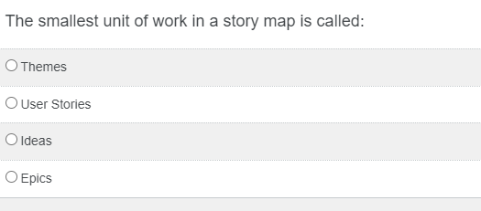 | b
19 |  | a,b,c,d
20 |  | c
21 | 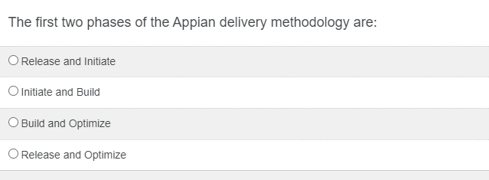 | b
22 |  | c
23 |  | b
24 |  | b,c,d
25 |  | c
26 |  | d
27 | 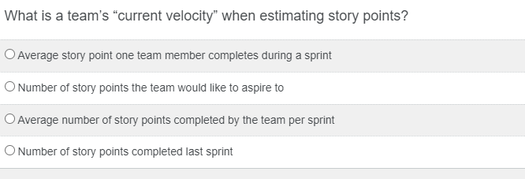 | b
28 |  | b
29 |  | c
30 |  | b
31 |  | d
32 |  | b
33 |  | c
34 |  | c
35 |  | a
36 |  | b
37 |  | a
38 |  | c
39 |  | b
40 |  | a
41 | 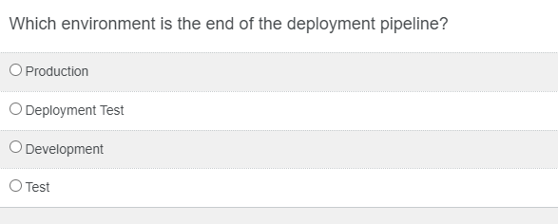 | a
42 | 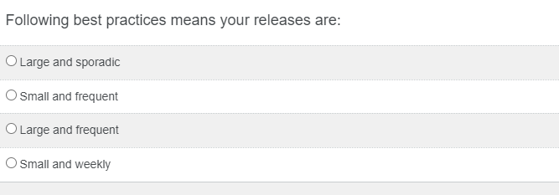 | b
43 |  | c
44 |  | d
45 |  | a
50 |  | abcd
51 |  | abc
52 |  | a,b,c,d
53 |  | a,b,d
54 |  | b,c,d
55 |  | a
56 |  | a

